Sheet1
Origin | Quality | Certifications | Antwerp, FCA | Tilbury, FCA | ETA Jan , FCA
DECAF
Brazil Brazil Brazil | Santos 2/3 15+ SS FC (MC Decaf) 14 up MC Decaf Santos 2/3 14/16 SS FC (MC Decaf) | FT UTZ + RFA | €2.47 €2.96 | £003
Decaf | MIDAS Arabica Blend (MC Decaf) |  | €003
Honduras | SHG EP (MC Decaf) | RFA |  | £004
Peru | Grade 1 (Swiss water Decaf) | FTO | €005

PAST CROP ARABICA DECAF
Brazil | Santos 2/3 14/16 SS FC (MC Decaf) (Crop 19/20) |  | €003
Nicaragua | SHG EP Sopexxca Co2 Decaf (Crop 19/20) | FT |  | £004
Peru | Grade 1 (Co2 Decaf) (Crop 19/20) | FT |  | £004

2020-12-29
Europe - Bag Spot List - prices per kg
NY March: 123.40
Ldn March: 1379.00
€/$: 1.2251
Antwerp,
FCA
Tilbury,
FCA
ETA Jan , FCA
Origin Quality Certifications
ROBUSTA
India Cherry AA | €002 |  | €002
India Monsooned Robusta AA - Aspinwall | €002
Vietnam Screen 16 wet polished |  | £002
Vietnam Screen 18 wet polished | €002

PAST CROP ROBUSTA
India | Cherry AA (Crop 19/20) | FTO | €002
India | Pulped natural Hoysala estate - Ecotact (Crop 19/20) |  | €002
India | Parchment Kaapi Royal AA scr 18 (Crop 2019) |  |  | £002
India | Cherry AA (Crop 2019) |  |  | £002

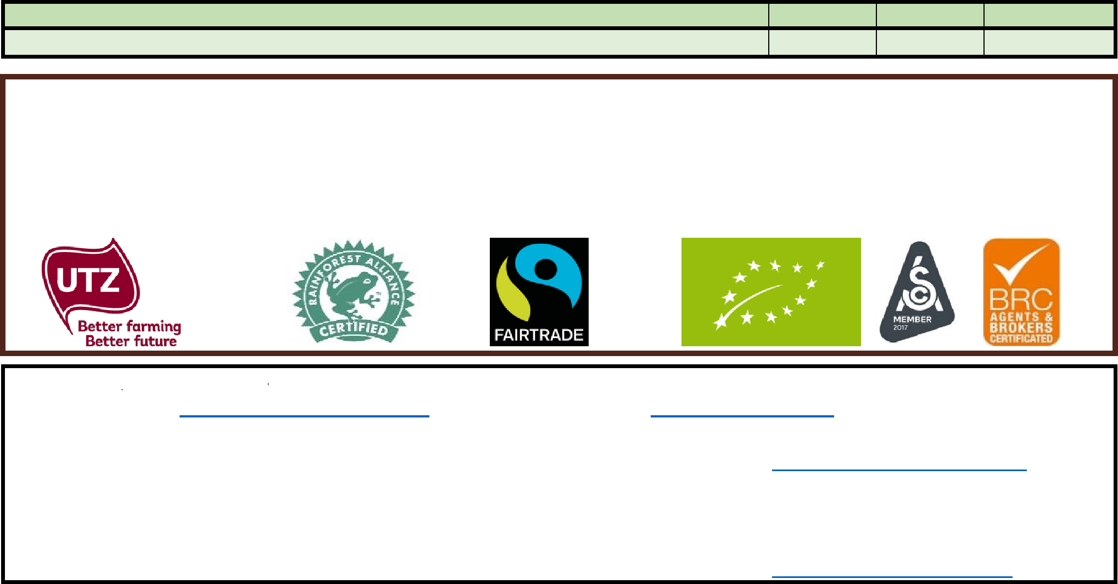

PAST CROP ROBUSTA DECAF
€002
India Cherry Robusta Blend decaf (MC) (Crop 2019)
* Prices are subject our final confirmation / unsold.
* Prices per kg. Free on Truck. Immediate delivery, custom cleared.
* Based on minimum 1 pallet with 10 bags. Strapped & Wrapped. (PC = Past Crop). (GP = Grain Pro bags)
* in case of 6-9 bags add €0,10. If 3-5 bags add €0,75 and in case of 1-2 bags add € 1,50 per kg
* Payment prior to delivery. Discounts with larger orders.
* We can organize delivery to your door at cost price, also for 1 bag.
Daarnhouwer, The Netherlands
e-mail: coffeetrade@daarnhouwer.nl |  | Direct | www.daarnhouwer.nl
 |  |  | Coffee Logistics
Rutger Van Otterlo | '+31 75 6126312 |  | CoffeeLogistics@daarnhouwer.nl
William Hobby | '+31 75 | 2060026 | +31756126386
Sven Oostveen | '+31 75 | 2060031
Gustavo Santos Castillo | '+31 75 | 6126316 | Coffee Quality
Hector Turner | '+31 75 | 2060033 | coffeequality@daarnhouwer.nl

